sheetQuiz
TEMPLATE QUIZ

NO | JENIS | VALUE | JAWABAN

 | soal | soal pertama dengan gambar
 | img | be_assets\quiz\quiz_8cd771c9-59a9-4a7c-a047-e4830a1fe3d9.png
 | option | 2a - 10 | 0
 | option | 30a - 11 | 1
 | option | 200a - 14 | 0
 | option | 15a - 55 | 0
 | option | 0 | 0
 | soal | soal tanpa gambar di nomer 2
 | image
 | option | a | 1
 | option | b | 0
 | option | c | 0
 | option | d | 0
 | option | e | 0
 | soal | be_assets\quiz\quiz_2e72b1d6-81e1-497d-9b67-90622b4b889d.png
 | img | 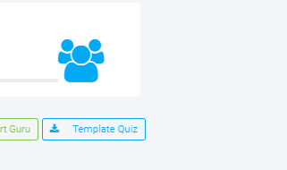
 | option | a | 0
 | option | b | 0
 | option | c | 0
 | option | d | 0
 | option | e | 1
 | soal | soal terakhir
 | img | be_assets\quiz\quiz_74f94d7a-96fe-4e1c-8f49-c6cb8b05279b.png
 | option | 1 | 1
 | option | 2 | 0
 | option | 3 | 0
 | option | 4 | 0
 | option | 5 | 0

